Sheet1
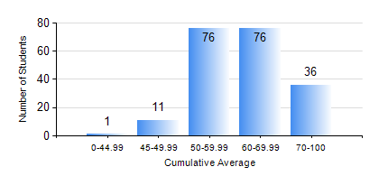
 |  |  | KWAME NKRUMAH UNIVERSITY OF SCIENCE AND TECHNOLOGY, KUMASI Department of Civil Engineering

 |  |  | BSC. CIVIL ENG.

 |  |  | COMPREHENSIVE RECORD OF EXAMINATION RESULTS

 |  |  | RESULTS OF YEAR 3 SECOND SEMESTER, 2018/2019 ACADEMIC YEAR

 | Sn | Course Code |  | Course Name | Credit Hours | Min. Mark | Max. Mark | Avg. Mark | Std. Dev. | No. Passed | No. Trailed | No. (Df) | No. (I) | No. (I*) | No. Tagged(I,I*,Df) | Total
 | 0. |  |  |  |  |  |  | 0 | 0 | 0 | 0 | 0 | 0 | 0 | 0 | 4
 | 1. | CE 352 |  | STEEL AND TIMBER DESIGN | 3 | 20 | 95 | 60 | 15.63 | 194 | 1 | 0 | 1 | 0 | 1 | 196
 | 2. | CE 356 |  | HYDRAULIC ENGINEERING | 3 | 4 | 87 | 61 | 12.57 | 189 | 6 | 0 | 1 | 0 | 1 | 196
 | 3. | CE 360 |  | FOUNDATION ENGINEERING | 3 | 0 | 93 | 56 | 15.65 | 177 | 18 | 0 | 1 | 0 | 1 | 196
 | 4. | CE 364 |  | ENVIRONMENTAL QUALITY ENGINEERING | 3 | 17 | 97 | 72 | 16 | 191 | 4 | 0 | 1 | 0 | 1 | 196
 | 5. | CE 368 |  | HIGHWAY ENGINEERING | 3 | 0 | 79 | 64 | 7.34 | 194 | 1 | 0 | 1 | 0 | 1 | 196
 | 6. | CE 376 |  | CIVIL ENGINEERING QUANTITIES | 2 | 11 | 93 | 66 | 18.2 | 177 | 18 | 0 | 1 | 0 | 1 | 196
 | 7. | CE 378 |  | INTEGRATED DESIGN | 2 | 3 | 75 | 67 | 6.45 | 194 | 1 | 0 | 1 | 0 | 1 | 196

